tables and graphs
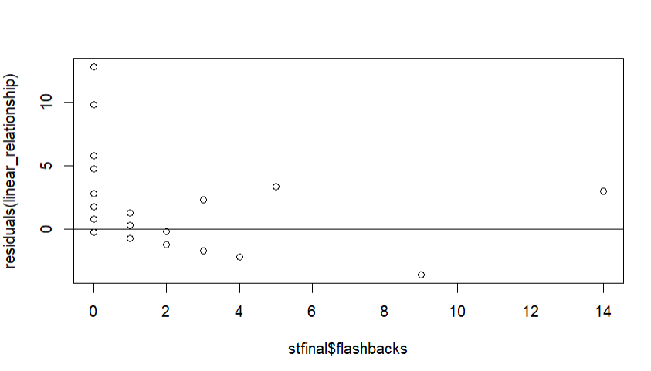
 |  | Crying
 |  | No | Yes | Row Total
Anger | No | 110 | 35 | 145
 | Row % | 76% | 24% | 100%
 | Yes | 130 | 42 | 172
 | Row % | 76% | 24% | 100%
Total Sample Size = |  | 240 | 77 | 317

Box plot
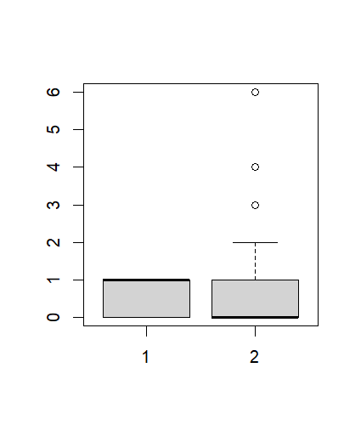

Humor

 |  | No (0) | Yes (1)
 |  | Music

Scatter plot

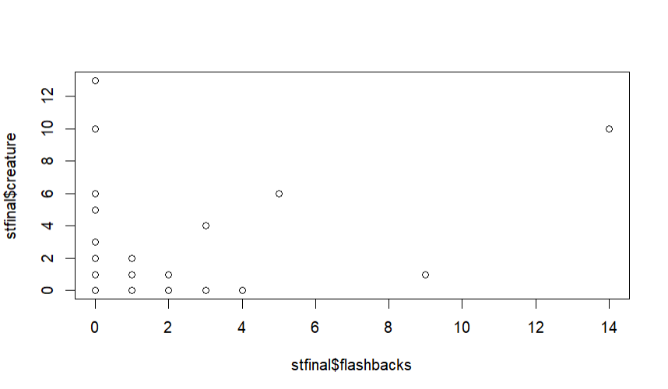

Residual plot

